Product registration form
If you have deleted rows: Press here
 |  |  |  |  | To be filled by vendor |  |  |  | To be filled by buying dep. |  |  |  |  |  |  | To be filled by Master Data.

General General General |  |  |  |  |  |  |  |  |  | ISFP Relevant |  |  |  |  |  | Description, GTIN & PLU Description, GTIN & PLU Description, GTIN & PLU |  |  |  |  |  |  |  |  |  |  |  |  | Unit of Measure Unit of Measure Unit of Measure Unit of Measure Unit of Measure Unit of Measure |  |  |  |  |  |  |  |  |  |  |  |  |  |  | Unit of Measure |  |  | Basic data Basic data Basic data |  |  |  |  |  |  |  |  |  |  |  |  | Attributes Attributes Attributes |  |  |  |  |  |  |  |  |  |  |  | Attributes |  |  |  |  |  | POS DATA POS DATA POS DATA |  |  |  |  |  |  |  | Step
Article Type | Merch. Cat. | Artl. Category | Purch. Org. | Copy Article number | Vendor number | Sales Org | Base unit of measure | Additional vendor no | Alternative unit of measure | Catch Weight | Traceability Class | Weight band | Product Cost Group | Prod. Cost Qty | Sales unit per BA | Vendor's name | English Description (MAX 40 characters) | Characters | Danish Description (MAX 40 characters) | Characters | GTIN EA (Max 13 digits) | GTIN CARTON (CA) | Order unit/GTIN | Internal Order unit/GTIN | Trade Exact | Fake Mix | Internal GTIN | PLU | Gross weight/EA KG | Net weight/EA KG | Depth/EA MM | Width/EA MM | Height/EA MM | Gross weight/CA KG | Depth/CA MM | Width/CA MM | Height/CA MM | Gross weight/HY1 KG | Net weight/HY1 KG | Depth/HY1 MM | Width/HY1 MM | Height/HY1 MM | Sales Unit Per Carton | Cartons per layer | Cartons per pallet | Order unit | Hierarchy node | Country of origin | Temperature | Tax (VAT) | Net content (Drained weight) | Content unit | Unpacking | Stacking Factor | Durability | Supplier Durability | Whse. Durability | Store Durability | Customer Durability | Brand (Single value) | Private label | SubBrand (Single value) | Style (Multiple value) | Variant (Single value) | Good Better Best (Single value) | CSR Brand (Multiple value) | Envir. Label (Multiple value) | Organic (Single value) | Health Claim (Multiple value) | ISFP Type (Single value) | Seasons/themes | Size/measurement | Colour | Generic_trading | Materials_Fabrics_Fibres | _TOBACCO_TRACEABLE | Costing Variant | Customer Pick up center | Release date - not to be sold before | Sales rule | OTC Sales Rule | Voucher | Source List | Reverse VAT | Article Number | Manufacturer name | Part no. | E-com Ready date | Ecommerce variant

Measurements
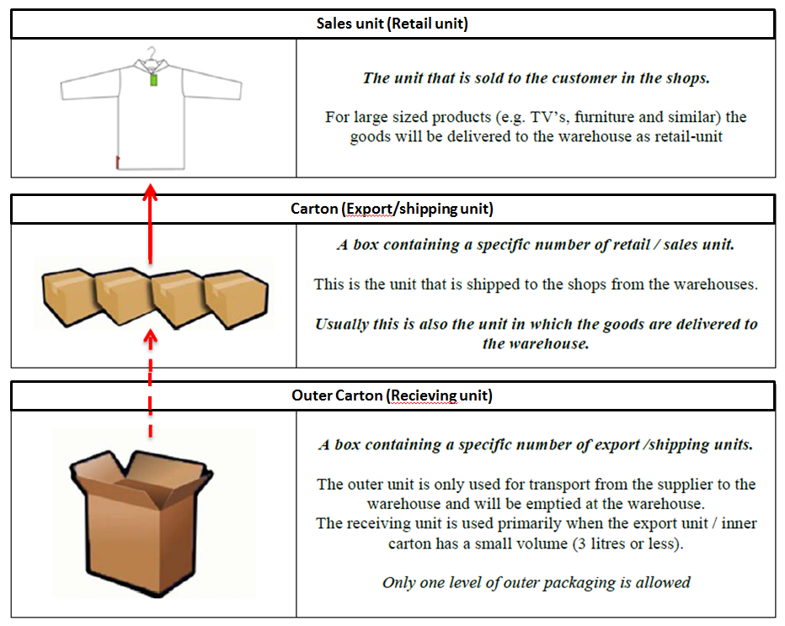
Dimensions of a sales unit | Dimensions of a distribution/inventory unit
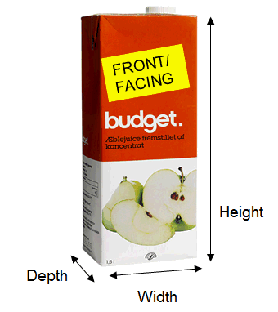

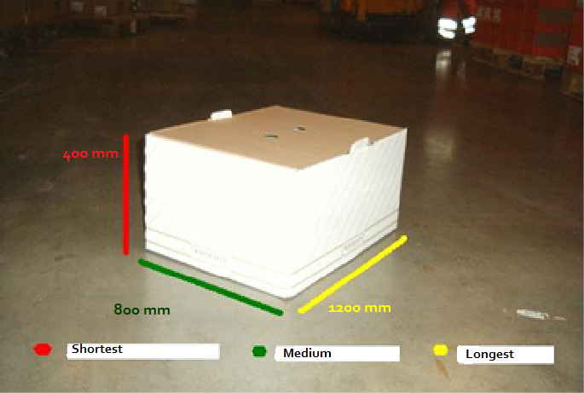

Definition of sales units, cartons and outer cartons

